BIGY F150MX
BIKE REF FOR ORDERS：23-BIGYF-150E-STD |  |  | 2023-01-01 | BIKE NAME : BIGY FACTORY 150E MX 2023
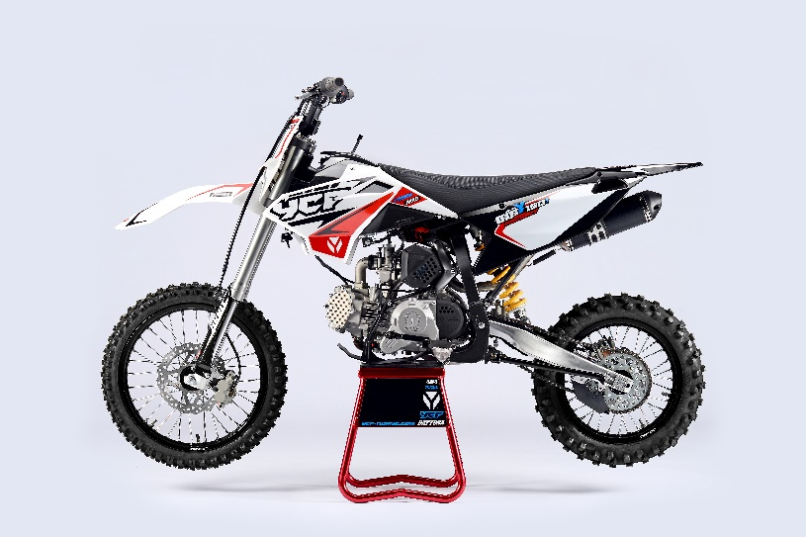 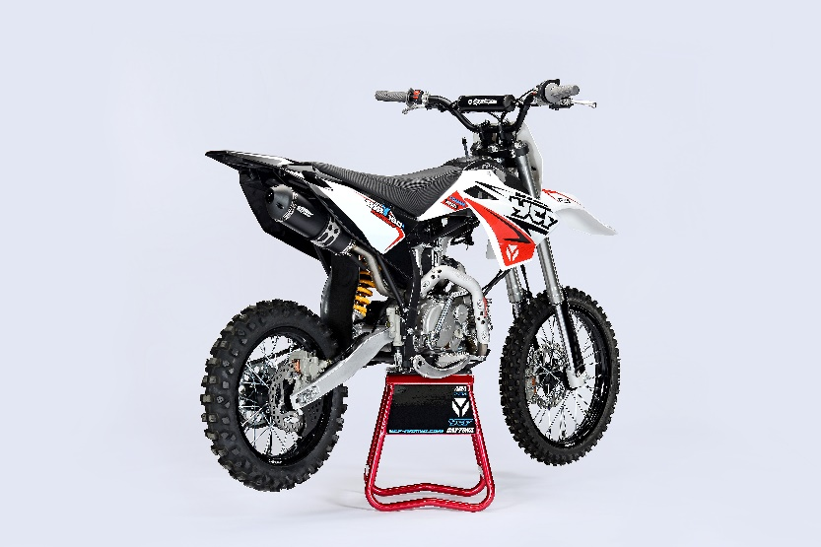 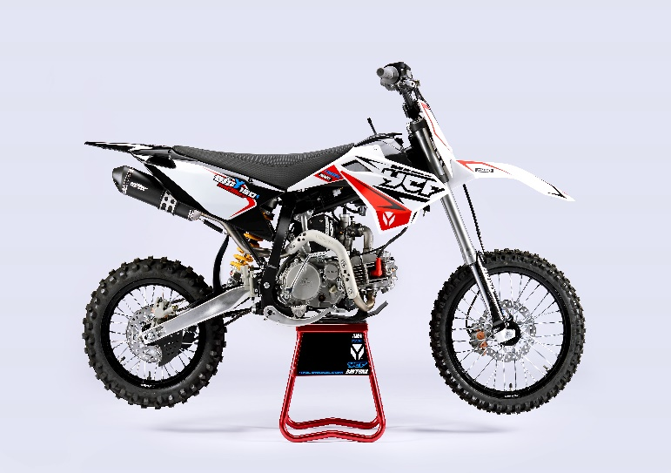 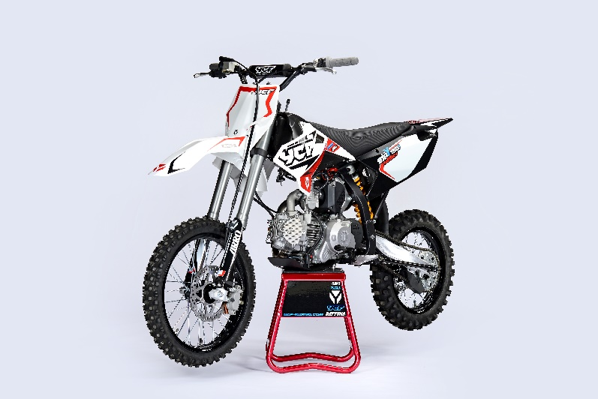
Handle bar assembly
50A = YCF50A
50E = YCF50E
W88E = START W88E
L88 = LITE88 L125 = LITE125
S88S = START F88S
S125S = START F125S
S125SE = START F125SE
S125 = STARTF125
P88 = PILOT 88
P125 = PILOT 125
P150 = PILOT 150
SM125 = START SM125S
SM150 = PILOT SM 150
SP1 = FACTORY SP1
SP2 = FACTORY SP2
SP3 = FACTORY SP3
B125 = BIGY 125MX
B150 = BIGY 150MX
BF150 = BIGY F150MX
BFD190 = BIGY FD190MX
BFZ190 = BIGY ZE190 MX
S147 = SUNDAY 150
S187 = SUNDAY 190
N° | Ref. | Description | Français | Picture | Qty/Bike | Model
1 | GALOW-03-BK | Complete Aluminium Handle Bar, "LOW" shape Black L=780mm complete with bar pad and pvc BLACK | Guidon aluminium "BAS" L=780mm complet avec mousse et pvc NOIR |  | 1 | BF1501722/BFZ1901822
11 | YC110-0131-03 | Complete Bar Pad for Chromolly Handlebar L=195mm BLACK | Mousse guidon complete pour guidon Chromolly L=195mm NOIR |  | 1 | SM1501822/SP22822/BF1501822/BFZ1901822
14 | YC110-0153-01 | Handle bar plastic cap | Embout plastique de guidon |  | 1 | ALL BIKES 2122
15 | YC110-0138-03 | YCF complete Throttle Assy. 2020 with YCF GREY | Poignee gaz complete YCF 2020 avec Paire de poignée YCF GRIS 2020 |  | 1 | SM1501422/SP11422/SP22122/SP31422/BF1501722/BFD1901722/BFZ1901722/S1471822/S1871822
23 | GB819-M4x12 | Countersunk cross head machine screw M4x12mm | Vis à tête fraisée plate cruciforme M4x12mm |  | 1 | ALL BIKES 1222
24 | GB819-M4x20 | Countersunk cross head machine screw M4x20mm | Vis à tête fraisée plate cruciforme M4x20mm |  | 1 | ALL BIKES 1222
25 | GB70-M6x20 | HEXAGON SOCKET Head Bolt with half thread M6x20mm | Vis Allen (BTR) avec deport M6x20mm |  | 2 | ALL BIKES 1222
27 | PPC011-GY | YCF set of grip GREY 2020 | Paire de poignée caoutchouc YCF GRISE 2020 |  | 1 | ALL BIKES 22
30 | YC110-0135-02 | Cnc adjustable bracket with lever 2020 | Cocotte CNC reglage rapide avec levier embrayage 2020 |  | 1 | S12522/P12522/P15022/SM15022/SP222/SP320/B12522/B15022/BFD19022/BFZ19022/S14722/S18722
31 | YC110-0151-02 | Rubber on clutch lever adjustable screw 2020 | Caoutchouc levier embrayage molette reglage2020 |  | 1 | S12522/P12522/P15022/SM15022/SP222/SP322/B12522/B15022/BFD19022/BFZ19022/S14722/S18722
32 | YC110-0136-01 | Rubber on clutch lever | Caoutchouc levier embrayage |  | 1 | S1251822/P1251822/P1501822/SM1501822/SP22822/SP31822/B1251822/B1501822/BF1501822/BFD1901822/BFZ1901822/S1471822/S1871822
33 | YC110-0134-04 | Clutch bracket Assy | Cocotte embrayage complete |  | 1 | P12522/P15022/SM15022/SP22822/SP31822/BIGY125Mx22/BIGY150Mx22/BIGYF150Mx1822/BIGYFD200Mx1822/BIGYZE200Mx1822/FT14722/FT18722
38 | BT08-M6x20-W | HEXAGON Torx screw with Flange M6x20mm | Vis HEXAGONALE Torx avec Flange M6x20mm |  | 2 | ALL BIKES 22
39 | YC110-0103-07 | Clutch lever 2020 (with FB13-8x10x10.5-Cu 1EA FB13-8x10x9.4-Cu 1EA ) complete with bushings and washer | Levier embrayage 2020 (avec FB13-8x10x10.5-Cu 1EA FB13-8x10x9.4-Cu 1EA ) avec entretoises et rondelle |  | 1 | S12522/P12522/P15022/SM15022/SP222/SP322/B12522/B15022/BFD19022/BFZ19022/S14722/S18722
51 | YC110-0105-15 | Kill Switch ON/OFF L=580mm | Coupe circuit on off L=580mm |  | 1 | ALL BIKES 1222
52 | YC110-0106-15 | Throttle Cable L=960mm A+B=135mm 2021 (FOR NIBBI PE28) | Cable gaz L=960mm A+B=135mm 2021 (POUR NIBBI PE28) |  | 1 | 22-BIGY F-150-STD
53 | YC110-0143-01 | Rubber on trottle cable | Protection caoutchouc cable de gas |  | 1 | ALL BIKES 1722
54 | YC110-01-03-BK | Cable tie L= 150mm BLACK | collier maintien cable L= 150mm NOIR |  | 3 | ALL BIKES
55 | YC110-01-05-WH | Cable tie L=350mm WHITE | collier maintien cable L=350mm BLANC |  | 1 | ALL BIKES 1222
56 | YC110-0139-03 | Start switch Waterproof L=500mm | Bouton demareur ETANCHE L=500mm |  | 1 | BIGYF1501722
57 | YC110-0107-17 | Clutch Cable Assy. L=1045mm A+B=70mm | Cable embrayage L=1045mm A+B=70mm |  | 1 | BIGYF1501722

Steering stem assembly

N° | Ref. | Description | Français | Picture | Qty/Bike | Model
25 | YC110-02-053-BK | Complete Triple Clamp (TOPd45mm / BOTTOM d48mm) adjustable bar mount L=160mm 2022 Steering stem L=233 mmBLACK | Te Fourche Complet (TE SUPd45mm / TE INF d48mm) pontet ajustable L=160mm 2022 tige colonne direction L=233 mm NOIR |  | 1 | W88E22/S88SE22/S12522/S125SE22/SM12522/SM15022/SP222/B12522/B15022/BFZ19022
1 | YC110-0201-03 | Steering stem L=233mm | tige colonne direction L=233mm |  | 1 | S12522/S125S1122/S125SE1522/P1251122/P1501122/SM1251222/SM1501322/SP11322/SP21322/SP31322/B1251722/B1501722/BFD1901722/BFZ1901822/S1471822/S1871822
2 | YC110-0202-56-BK | Lower triple clamp 160mm d48mm H=28mm 2020 MATT BLACK | té fourche inferieur 160mm d48mm H=28mm 2020 NOIR MAT |  | 1 | W88E22/S88SE22/S12522/S125SE22/SM12522/SM15022/SP222/B12522/B15022/BF15022/BFZ19022
3 | YC110-0201-56-BK | Top Triple Clamp160mm d45mm H=28mm 2022 MATT BLACK, 3 ADJUSTEBLE POSITIONS | té fourche supérieur 160mm d45mm H=28mm 2022 NOIR MAT, REGLAGE 3 POSITIONS |  | 1 | W88E22/S88SE22/S12522/S125SE22/SM12522/SM15022/SP222/B12522/B15022/BF15022/BFZ19022
26 | YC110-0203-035 | Set of Bar mount not adjustable d22.2mm/bottom 55mm START Type BLACK （with GB70-M10x50x1.5W 2EA+BT08-M8x30-W 4EA） | jeu pontet guidon non ajustable d 22.2mm / pontet bas 55mm Type START NOIR （with GB70-M10x50x1.5W 2EA+BT08-M8x30-W 4EA） |  | 2 | W88E22/L8822/S88SE22/L12522/S12522/S125SE22/P12522/P15022/SM12522/SM15022/SP222/B12522/B15022/BFZ19022
4 | YC110-0203-32 | 2020 Lower Bar Mount CNC BIGY type,d22.2 H=55mm BLACK | Pontet guidon inférieur type BIGY d22.2 H=55 mm NOIR 2020 |  | 2 | 50A22/50E22/W88E22/L8822/L12522/S88SE22/S12522/S125SE22/P12522/P15022/SM12522/SM15022/SP2/B12522/B15022/BFZ19022
5 | YC110-0201-02 | Top Bar Mout CNC 2020 d22.2mm H=18mm START Type BLACK | pontet guidon supérieur 2020 d22.2mm H=18mm Type START NOIR |  | 2 | W88E22/L8822/S88SE22/L12522/S12522/S125SE22/P12522/P15022/SM12522/SM15022/SP220/B12522/B15022/BFZ19022
15 | BT08-M6x25-W | HEXAGON Torx screw with Flange M6x25mm | Vis HEXAGONALE Torx avec Flange M6x25mm |  | 8 | ALL BIKES 22
17 | BT08-M8x30-W | HEXAGON Torx screw with Flange M8x30mm | Vis HEXAGONALE Torx avec Flange M8x30mm |  | 4 | W88E22/S88SE22/L8822/L12522/S12522/S125SE22/P12522/P15022/SM12522/SM15022/SP222/SP322/B12522/B15022/BFD19022/BFZ19022
14 | GB70-M10x50x1.5W | HEXAGON SOCKET Head Bolt with half thread M10x50mmx1.5mm | Vis Allen (BTR) avec deport M10x50mmx1.5mm |  | 2 | W88E22/S88SE22/L8822/L12522/S12522/S125SE22/P12522/P15022/SM12522/SM15022/SP222/B12522/B15022/BFZ19022
 | YC110-0212-09-WH | Front Number Plate BIGY 2017 complete WHITE | PLAQUE AVANT BIGY 2017 complete BLANCHE |  | 1 | BIGYF15022
20 | BT08-M6x10-W | HEXAGON Torx screw with Flange M6x10mm | Vis HEXAGONALE Torx avec Flange M6x10mm |  | 1 | ALL BIKES2022
 | GB97-d12-W | Flat washer d12 | Rondelle d12 |  | 2 | ALL BIKES2022
27 | KRDIRECTION46 | set of bearing for steering 46/23.5、46/22 | kit rlt colonne direction 46/23.5、46/22 |  | 1 | 50A222/50E22/W88E22/S88SE22/L8822/L12522/125S1522/S125SE1522/P1251322/P1501322/SM1251322/SM1501322/SP11122/SP22122/SP31222/B1251722/B1501722/BF1501720/BFD1901722/BFZ1901720/S1471822/S1871822
9 | YC110-02-09 | Top nut for steering d54.5mm | écrou crantellé colonne direction d54.5mm |  | 1 | ALL BIKES 1222
10 | YC110-02-10 | Washer for steering stem nut d22.5mmxd37mmx0.7mm | joint colonne direction d22.5mmxd37mmx0.7mm |  | 1 | ALL BIKES 1222
11 | YC110-02-11 | Nut for steering stem M22 | écrou supérieur colnne direction M22 |  | 1 | ALL BIKES 1222
13 | YC110-0214-01-WH | YCF Break Line Retainer White with screw and washer（with GB9074.5-M4x10-W 1EA ） | Guide durite sur plaque avant avec vis et rondelle YCF Blanc |  | 1 | 50A22/50E22/W88E22/S88SE22/L8822/L1251622/S125SE1522/P1251422/P1501422/SM1251422/SM1501422/SP11422/SP22422/SP31422/B1251722/B1501722/BF1501722/BFD1901722/BFZ1901720
22 | GB97-d4-W | flat washer d4mm for Break Line Retainer front No plate | rondelle d4mm pour guide durite plaque No avant |  | 1 | ALL BIKES 1222
22 | GB818-M4x10-W | Pan / Round head cross machine screw M4x10mm | Vis à tête ronde cruciforme M4x10mm |  | 1 | ALL BIKES 1222
 | YC110-0213-12 | Front plastic plate to hold cables 75mmx80mm | Plaque avant plastique maintien cables 75mmx80mm |  | 1 | ALL BIKES 22
30 | YC110-0213-08 | Number plate bracket | support plaque avant |  | 1 | ALL BIKES 1622
20 | GBT5787-M6x16-3 | HEXAGON screw with Flange with half thread M6x16mmx3mm | Vis HEXAGONALE avec Flange et deport M6x16mmx3mm |  | 1 | ALL BIKES2022
 | YC110-01-08-BK | Cable tie ADJUSTABLE BLACK | Collier maintien cable AJUSTABLE NOIR |  | 2 | S1251422/S125SE1522/P1251422/P1501422/SM1251622/SM1501622/SP11622/SP22622/SP31622/B1251722/B1501722/BF1501722/BFD190ZE1722/BIGYF190D1722
 | YC110-02-20 | Washer for steering stem nut d22mm (top)/d24mm (bottom)-d47mm | Joint pour colonne direction d22mm (haut)/d24mm (bas) -d47mm |  | 1 | S1251422/S125S1422/S125SE1422/P1251422/P1501422/SM1251422/SM1501422/SP11422/SP22422/SP31422/B1251722/B1501722/BF1501722/BFD1901722/BFZ1901822/S1471822/S1871822/S88SE22

Front Fender

N° | Ref. | Description | Français | Picture | Qty/Bike | Model
1 | YC110-032-10-WH | Front Fender BIGY 2020 Wide WHITE | gb avant BIGY 2020 Large BLANC |  | 1 | BIGYF150E22
2 | GBT5787-M6x16-6 | Hex. Bolt with flanged M6x16mm (spacer 6mm) | vis M6x16mm (deport 6mm) |  | 3 | 50A22/50E22/W88E1822/S88SE1822/L8822/L12522/S12522/S125SE1822/P1251822/P1501822/SM1251822/SM1501822/SP22822/SP31822/B1251822/B1501822/BF1501722/BFD19017820/BFZ1901822
 | GBT5787-M6x16-3 | HEXAGON screw with Flange with half thread M6x16mmx3mm | Vis HEXAGONALE avec Flange et deport M6x16mmx3mm |  | 2 | 50A22/50E22/W88E1822/S88SE1822/L8822/L12522/S12522/S125SE1822/P1251822/P1501822/SM1251822/SM1501822/SP21822/SP31822/B1251822/B1501822/BF1501722/BFD19017820/BFZ1901822

Front & Rear absorber

N° | Ref. | Description | Français | Picture | Qty/Bike | Model
24 | YC110-0400-24 | Pair of forks 800mm ZL (Compression adjustable) GREY | Jeu de fourche 800mm ZL (compression reglable) GRIS |  | 1 | BF1501722/BFZ1901822
...
CARBU
 | LK-FLK-42 | Slow Jet Nibbi #42 | Gicleur ralenti Nibbi #42 |  | 1 | SP322/BFD19022/BFZ19022/S18722/SM19022
 | 17311-2-01 | Inlet Pipe, Pro 2021 for NIBBI carburetor φ45 | PIPE ADMISSION 2021 pour carburateur NIBBI φ45 |  | 1 | SP319022/BFD1922/S1871922
 | BT08-M6x20-W | HEXAGON Torx screw with Flange M6x20mm | Vis HEXAGONALE Torx avec Flange M6x20mm |  | 2 | ALL BIKES 22
1 | 17315-1 | Rubber adaptator for PE28 | MANCHON CARBU SOUPLE pour PE28 |  | 1 | SP31622/BFD1901722/BFZ1901822/S1871822
 | YC110-2029 | YCF carburettor paper gasket | joint papier carburateur |  | 1 | SP31622/BIGY190ZE1722
 | YC50-0803 | Holding ring d21mm-d44mm | collier FILTRE d21mm-d44mm |  | 1 | SP31622/BIGY190ZE1722
 | BT08-M6x30-W | HEXAGON Torx screw with Flange M6x30mm | Vis HEXAGONALE Torx avec Flange M6x30mm |  | 2 | ALL BIKES 22
 | GB6170-M6-W | HEXAGON Nut M6 | Ecrou HEXAGONAL M6 |  | 1 | ALL BIKES 1122

Foot Peg assy
 |  | 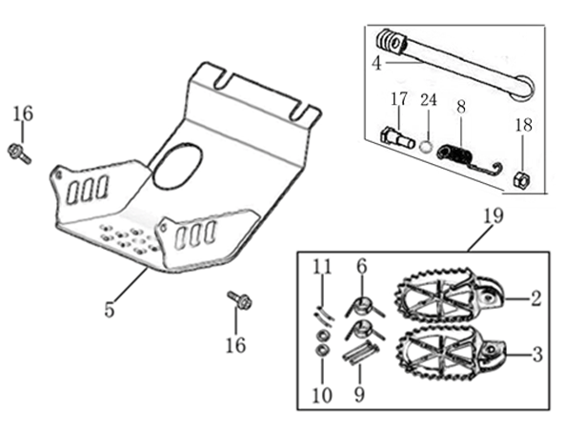
N° | Ref. | Description | Français | Picture | Qty/Bike | Model
19 | YC110-0902/05 | Inox foot pegs set Large | Jeu repose pied inox Large |  | 1 | SP1322/SP21322/SP31422/BF1501722/BFD1901722/BFZ1901822/S1471822/S1871822
6 | YC110-0906 | Spring for inox foot peg (left/right) d2mmxd16mmx35mm | ressort repose pied (droit/gauche) inox d2mmxd16mmx35mm |  | 2 | SP1322/SP21322/SP31422/BF1501722/BFD1901722/BFZ1901822/S1471822/S1871822
9 | GB882-d8x45 | shaft pin for inox footpegs Stainless steel d8mmx45mm | axe repose pied inox Acier inoxydable d8mmx45mm |  | 2 | BIGY190ZE22/BIGY190D22/SP222/SP322
10 | GB97-d8-W | flat washer d8mmxd16mmx1mm | rondelle d8mmxd16mmx1mm |  | 2 | ALL BIKES 1122
11 | GB91-d2x25-W | Cotter pin 2.0x25mm | goupille 2.0x25mm |  | 2 | ALL BIKES 1322
4 | YC110-0904-07 | Kick stand L=340mm | bequille L=340mm |  | 1 | B1251722/B1501722/BF1501722/BFD1901722/BFZ1901822
17 | FB02-M10x1.5x30I | Stepped screw M10x35mm for kick stand (step 1.5) | vis bequille M10x35mm (pas1.5) |  | 1 | 50A1422/50E1622/W88E1822/S88SE1522/L881722/L1251622/S12522/S125S1422/S125SE1522/P1251422/P1501422/SM1251422/SM1501422/B1251722/B1501722/BF1501722/BFD1901722/BFZ1901822/S1471920/S1871822
18 | GB6170-M10-G | HEXAGON Nut M10 | Ecrou HEXAGONAL M10 |  | 1 | ALL BIKES201422(BUTSP1/SP2/SP3)
24 | GB93-d10-W | Standard spring washer for kick stand d10mm | rondelle pour bequille d10mm |  | 1 | 50A1422/50E1622/W88E1822/S88SE1522/L881722/L1251622/S12522/S125S1422/S125SE1522/P1251422/P1501422/SM1251422/SM1501422/B1251722/B1501722/BF1501722/BFD1901722/BFZ1901822/S1471920/S1871822
...
N° | Ref. | Description | Français | Picture | Qty/Bike | Model
 | FB13-10x14x6 | bushing 10x14x6MM for brake pedal | entretoise 10x14x6MM pour pédale de frein |  | 1 | SP11622/SP222/SP322/BFD19022/BFZ19022/S14722/S18722
23 | YC110-1223-02 | Aluminium brake pedal end cap 2020 | embout pédale de frein Aluminium 2020 |  | 1 | SP222/SP322/BFD19022/BFZ19022/S14722/S18722
30 | BT08-M6x16-W | HEXAGON Torx screw with Flange M6x16mm | Vis HEXAGONALE Torx avec Flange M6x16mm |  | 2 | ALL BIKES 22
 | 6900Z | Ball bearing 6900Z d10mmxd22mmx6mm for chain tensioner | 6900Z d10mmxd22mmx6mm pour roulette de chaine |  | 2 | SP11622/SP222/SP322/BFD19022/BFZ19022/S14722/S18722
 | GB70-M5x12 | HEXAGON SOCKET Head Bolt with half thread M5x12mm | Vis Allen (BTR) avec deport M5x12mm |  | 3 | SP11622/SP222/SP322/BFD19022/BFZ19022/S14722/S18722
34 | YC110-1215-06 | Mount for rear break reservoir "extern" | fixation maitre cylindre frein arriere "externe" |  | 1 | P1251722/P1501722/SM1501722/SP11722/SP22722/SP31722/B1251722/B1501722/BFD1901722/BFZ1901822/S1471822/S1871822
 | BT08-M6x16-W | HEXAGON Torx screw with Flange M6x16mm | Vis HEXAGONALE Torx avec Flange M6x16mm |  | 2 | P12522/P15022/SM15022/SP222/SP322/B12522/B15022/BFD19022/BFZ19022/S14722/S18722
35 | GB5787-M6x12-W | HEXAGON Torx screw with Flange M6x12mm | Vis HEXAGONALE Torx avec Flange M6x12mm |  | 2 | P12522/P15022/SM15022/SP222/SP322/B12522/B15022/BFD19022/BFZ19022/S14722/S18722

Exhaust system
 |  | 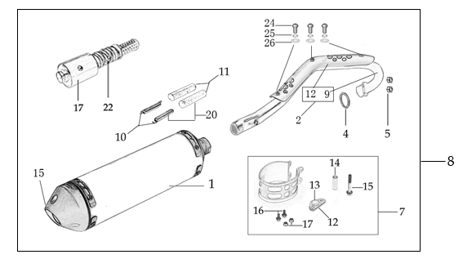
N° | Ref. | Description | Français | Picture | Qty/Bike | Model
8 | YC110-139-12 | Complete Single Racing Muffler & Exhaust BIGY F150 E 2022 | Echapement complet BIGY F150 E 2022 |  | 1 | BIGYF15022/BIGYF150E22
1 | YC110-13014-04-BK | Muffler RACING (2 springs) Black | silencieux YCF SP3 RACING Noir |  | 1 | SP21622/SP31622/BF1501622/BFD1901722/BFZ1901822
15 | YC110-13-35 | Muffler end cap SPII | Embout silencieux racing |  | 1 | SP22122/SP31222/BF1501722/BFD1901722/BFZ1901822/S1471822/S1871822
24 | GB70-M5x20 | HEXAGON SOCKET Head Bolt with half thread M5x20mm | Vis Allen (BTR) avec deport M5x20mm |  | 3 | SP22122/SP31222/BF1501722/BFD1901722/BFZ1901822/S1471822/S1871822
25 | GB93-d5 | Standard spring washer d5 for muffler end cap | rondelle d5 pour Embout silencieux |  | 3 | SP22122/SP31222/BF1501722/BFD1901722/BFZ1901822/S1471822/S1871822
 | YC110-1317-02 | Noise reducer (spark arrestor) YCF for RACING muffler | Bride de pot YCF pour silencieux RACING |  | 1 | SP322/FT125SE22/FT147E22/FT14722/FT18722/BIGYF15022/BIGYF150E22/BIGYF190D
24 | GB70-M5x6 | Plus screw M5x6mm for muffler end cap | vis M5x6mm pour Embout silencieux |  | 3 | SP22122/SP31222/BF1501722/BFD1901722/BFZ1901822/S1471822/S1871822
2 | YC110-1302-36 | Exhaust pipe with protection plate BIGY-F150 2022 d28/32 | collecteur avec plaque BIGY-F150 2022 d28/32 |  | 1 | BIGYF150Mx22/BIGYF150E22
5 | 18291/152FMH | Exhaust pipe washer d32mmxd25.5mmx4mm | joint pot d32mmxd25.5mmx4mm |  | 1 | S88SE1522/L881722/L1251622/S125SE1522/S12522/S125S1222/P1251322/P1501222/SM1251222/SM1501222/SP11227/SP22122/SP31422/B1251722/B1501722/BF1501722/BFD1901722/BFZ1901822/S1471822/S1871822
...
N° | Ref. | Description | Français | Picture | Qty/Bike | Model
9 | GB5787-M6x12-W | HEXAGON Torx screw with Flange M6x12mm | Vis HEXAGONALE Torx avec Flange M6x12mm |  | 2 | ALL BIKES 1322 (BUT50A)
10 | YC110-02-13 | Rubber washer d6mmxd14mmx3mm for shroud fixation on gas tank | joint caoutchouc d6mmxd14mmx3mm pour fixation des ouies sur le reservoir |  | 4 | ALL BIKES 1222
 | FB5787-M5x12-W | HEXAGON screw with Flange M5x12mm | Vis HEXAGONALE avec Flange M5x12mm |  | 2 | ALL BIKES 1222
11 | GB96-d6 | flat washer d6 for shroud fixation on gas tank sides | rondelle d6 pour fixation ouis sur reservoir cotes |  | 4 | ALL BIKES 1222
 | GB6177-M6-W | HEXAGON FLAT FLANGE NUT M6 | Ecrou HEXAGONAL avec Flange M6 |  | 2 | ALL BIKES 1222
24 | BT08-M6x20-W | HEXAGON Torx screw with Flange M6x20mm | Vis HEXAGONALE Torx avec Flange M6x20mm |  | 2 | ALL BIKES 1522
16 | YC110-03-01 | Rubber washer d6mmxd18mmx4mm for seat fixation on subframe | joint caoutchouc d6mmxd18mmx4mm pour fixation selle sur boucle acier |  | 2 | ALL BIKES 1222
24 | GB96-d6 | flat washer d6mm for seat fixation on subframe | rondelle d6mm pour fixation selle sur boucle acier |  | 2 | ALL BIKES 1222

ELECTRIC
 |  | 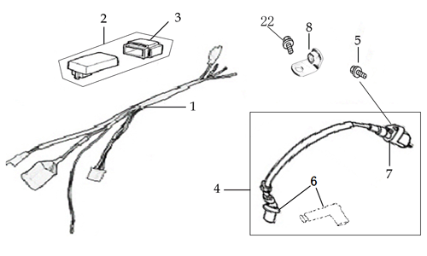
N° | Ref. | Description | Français | Picture | Qty/Bike | Model
1 | YC110-1501-2001 | Wire harness Electric start engine 2022 L=650mm Ignitor coil L=280mm rectifier L=190mm | Faisceaux éléctrique 2022 L=650mm bobine haute tension L=280mm ，Rectificateur L=190mm, |  | 1 | L882022/L1252022/S1252022/S125S2022/P1252022/P1502022/B1252022/B1502022/BF1502022/SP22022//FT1472022
2 | YC110-01-05-WH | Cable tie L=350mm WHITE | collier maintien cable L=350mm BLANC |  | 1 | ALL BIKES 1222
3 | YC110-1503 | YC110-02-053-BK | CDI |  | 1 | L881722/L1251622/S12522/S125SE1522/S125S1522/P1251322/P1501322/SM1251222/SM1501222/SP11222/SP22122/B1251722/B1501722/BF1501722/BFZ1901822/S1471822
5 | BT08-M6x20-W | HEXAGON Torx screw with Flange M6x20mm | Vis HEXAGONALE Torx avec Flange M6x20mm |  | 1 | B1251722/B1501722/BF1501722/BFZ1901822
6 | YC110-1504-07 | Ignitor coil L=350mm | bobine haute tension L=350mm |  | 1 | ALL BIKES1222(BUT50A/50E/SP3/BIGYFD200Mx) F88se22/F125se22/SP222/F125L22/F125s22/P12522/P15022/SM125s22/SM15022
7 | YC110-1505 | anti interference red | anti parasite rouge |  | 1 | ALL BIKES2012-2022(BUT50A/50E/SP3/BIGYFD200Mx) F88se22/F125se22/F125s22/SP222/F125L22/P12522/SM125s22/SM15022
8 | YC110-1504 | Ignitor coil (without anti interference) | bobine haute tension (sans anti parasite) |  | 1 | ALL BIKES 22
9 | YC110-1517-04 | Battery cable L=340mm RED 2020 | Cable pour Chargeur Batterie L=340mm ROUGE 2020 |  | 1 | SP11322/SP21322/B1251722/B1501722/BF1501722/BFZ1901822/S1471822
10 | YC110-1516-05 | Battery cable L=230mm BLACK 2020 | Cable pour Chargeur Batterie L=230mm NOIR 2020 |  | 1 | SP11322/SP21322/B1251722/B1501722/BF1501722/BFZ1901822
...

